colors
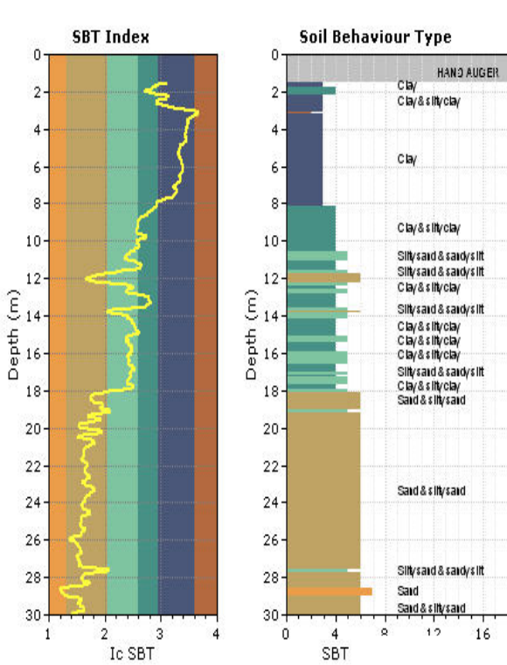
Classification | Color
nan | #FFFFFF
OL | #595959
CH | #3880B9
CH-MH | #3880B9
CL | #4A5779
CL-CH | #4A5779
CL-GC | #4A5779
CL-SC | #4A5779
MH | #7EC4A0
MH-CH | #7EC4A0
ML | #58B2AC
ML-CL | #58B2AC
SC | #EB9D4A
SC-CL | #EB9D4A
SM | #BFA364
SM-ML | #BFA364
SM-SC | #BFA364
GC | #DE4C4B
GP | #DE4C4B
Sandstone | #FEEB9D
Siltstone | #FEEB9D
Siltstone-claystone | #FEEB9D
Slide | #CCCCFF
Hard rock | #EAEAEA

